Funnel Dashboard
Sales Funnel (Unique Users Per Event) Top 3 Countries
 | This dashboard shows an e-commerce funnel based on website events. To avoid inflated results from repeated actions, each funnel step counts unique users (first event per user per event type). The funnel is shown for the top 3 countries by overall event volume: United States, India, and Canada.

 | Data Range 2020-11-01 to 2021-01-31 |  |  | Top 3 Sessions 162,256 |  |  | Total Purchases 2703 |  | Overall Conversion Rate 1.67%

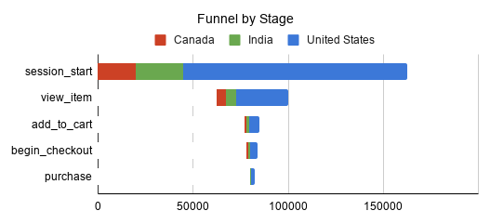
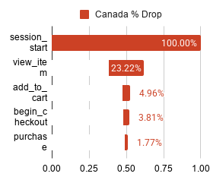
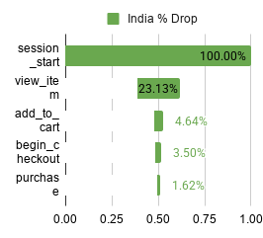
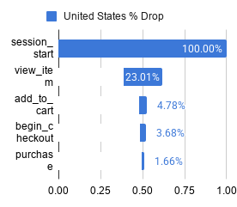

SUM of event_count |  | country |  |  | Percentage Drop
event_order | event_name | Canada | India | United States | Full % | Canada_%_drop | India_%_drop | United States_%_drop
1 | session_start | 20,037 | 25,059 | 117,160 | 100.00% | 100.00% | 100.00% | 100.00%
2 | view_item | 4,653 | 5,795 | 26,953 | 23.05% | 23.22% | 23.13% | 23.01%
3 | add_to_cart | 993 | 1,162 | 5,603 | 4.78% | 4.96% | 4.64% | 4.78%
4 | begin_checkout | 764 | 878 | 4,310 | 3.67% | 3.81% | 3.50% | 3.68%
5 | purchase | 355 | 406 | 1,942 | 1.67% | 1.77% | 1.62% | 1.66%

 | Observation 1. Country differences are small; performance patterns are similar in US/India/Canada. 2. Canada’s higher conversion likely reflects traffic mix or product mix, not funnel mechanics. 3. Deduping removes repeat-event inflation, so counts represent unique users reaching each step. |  |  |  |  |  | Action 1. Improve the early funnel: optimize landing pages, navigation/search, and product listing to increase view_item rate. 2. Improve add-to-cart: test clearer pricing/shipping info, stronger CTAs, and faster page performance to lift add_to_cart. 3. Break down the funnel by platform and source/medium/campaign to find which channels/devices drive better or worse conversion (and scale what works).

